1.2 RF Histogram
Row Labels | Count of Wind Speed In MPH
5.7-7.7 | 0.111
7.7-9.7 | 0.578
9.7-11.7 | 0.222
11.7-13.7 | 0.067
33.7-35.7 | 0.022
Grand Total | 1.000

1.3 RF Histogram
Row Labels | Count of Radioactive Material in Soil in picocuries/gram
0.32-2.32 | 0.520
2.32-4.32 | 0.240
4.32-6.32 | 0.080
6.32-8.32 | 0.040
8.32-10.32 | 0.080
12.32-14.32 | 0.040
Grand Total | 1.000

1.5 Response
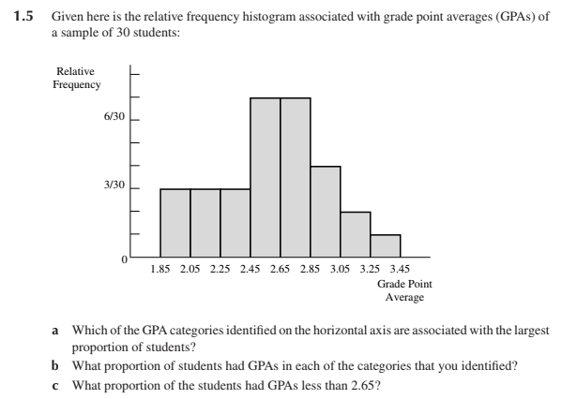

a) The GPA categories identified on the horizontal axis are associated with the largest proportion of students are from 2.45-2.65 and 2.65-2.85.
b) The proportion of students that had GPA's in the two categories are both 7/30.
c) The proportion of students that had GPA's less than 2.65 is 16/30 -- 3, 3, 7.

